Employees
EMPLOYEE DETAILS - OG PIZZA BU
Employee ID | Name | Company | Contact Number | Aadhar Card No | Passport Size Photo
001 | Saurabh Kumar | OG PIZZA | 8102449112 | 349986718301 | 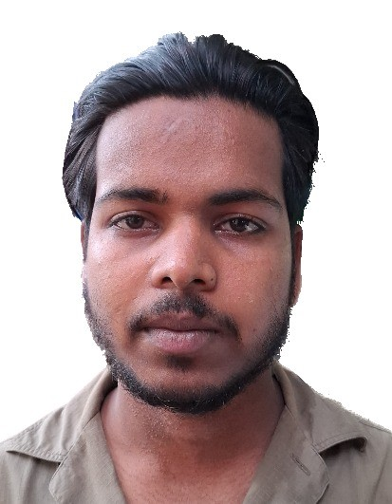
002 | Gulshan Kumar | OG PIZZA | 8076956211 | 673645259807 | 
003 | Satish | OG PIZZA | 7078868439 | 591588351834 | 

